Product Data
SKU | Image
Product Code: UGo1-EDU | 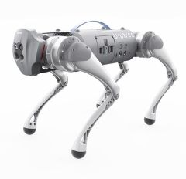
Product Code: UALIENGO | 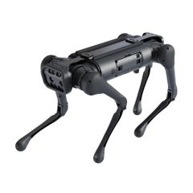
Product Code: UGo1-EDU3D | 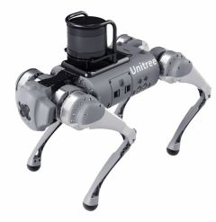
Product Code: UGo1-EDU2D | 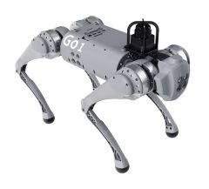
Product Code: UGo1-Pro
Product Code: UGo1-Air
Product Code: 99349512 | 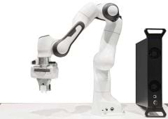
Product Code: 637158 | 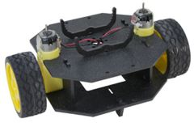
Product Code: ROMI | 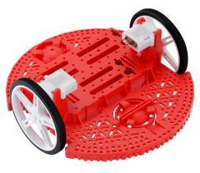
Product Code: 637142 | 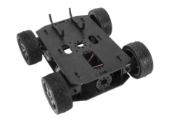
Product Code: KHM | 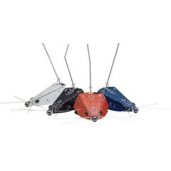
Product Code: ROB-14679 | 
Product Code: KIT-14216 | 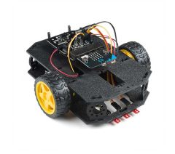
Product Code: 2510 | 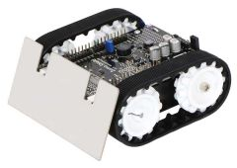
Product Code: 28124 | 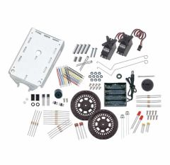
Product Code: KSV | 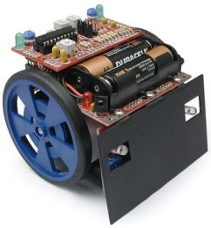
Product Code: 15001 | 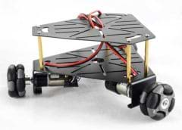
Product Code: RKI-1551 | 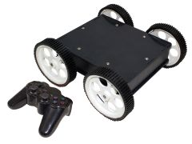
Product Code: 3125 | 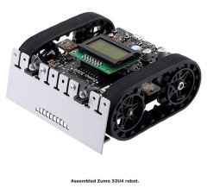
Product Code: 130-35000 | 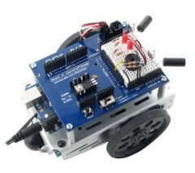
Product Code: 28832 | 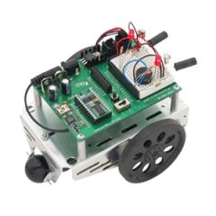
Product Code: 28132 | 
Product Code: 32700 | 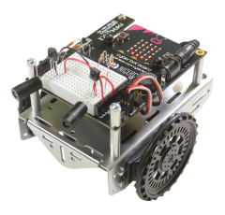
Product Code: 28333 | 